Sheet1
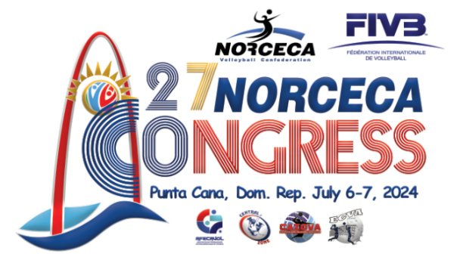
 |  |  |  |  |  |  | ACCOMMODATION FINAL RESERVATION FORM

 | EXECUTIVE COMMITTEE AND BOARD OF ADMINISTRATION MEMBERS

 | COUNTRY |  |  |  |  |  |  |  |  |  |  | Code:

 | 1. EXECUTIVE COMMITTEE & BOARD OF ADM. |  | Mr/Mrs

 | 2. POSITION:

 | It therefore request that the following accommodations be DEFINITIVELY and I agree to Pay NORCECA the amount(s) indicated upon reception of the corresponding invoice from NORCECA. I acknowledge the fact that, without payment before the deadline of April 20, 2024, the corresponding accomodation cannot be guaranteed.

 | 1. EXECUTIVE COMMITTEE & BOARD OF ADM MEMBER (Board & Lodging paid by NORCECA)

 | FAMILY NAME: |  |  |  |  |  |  |  | Sex: | M |  | F

 | NAME: |  |  |  |  |  |  |  | PASSPORT No:
 |  |  |  |  |  |  |  |  |  |  | D M Y
 | NF Function |  |  |  |  |  |  |  | VALID UNTIL:
LANGUAGES SPOKEN
 | STREET No:

CITIZENSHIP
 | CITY:

 | ZIP Code: |  |  |  | COUNTRY:

 | TRAVEL DATA Accommodation DATA
 |  |  |  | Flight No. Arrival time |  |  |  |  |  |  | D M
 | ARRIVAL FLIGHT SCHEDULE |  |  |  |  |  |  | CHECK-IN DATE AT HOTEL
 |  |  |  | Flight No. Departure time |  |  |  |  |  |  | D M
 | DEPARTURE FLIGHT SCHEDULE |  |  |  |  |  |  | CHECK-OUT DATE

 | ROOM TYPE AND PRICE Breakfast, Lunch and Dinner included
NORCECA IS RESPONSIBLE FOR THE ACCOMODATION OF THE BOARD AND EXECUTIVE MEMBERS IN DOUBLE ROOM BASED IN A RATE OF USD190.00 PER PERSON, ANY OTHER TYPE OF ACCOMODATION EXTRA COST MUST BE PAID FOR THE PERSON REQUIRING THE SERVICES AS PER THE FOLLOWING RATES:

 |  |  |  |  |  |  |  |  |  | ROOM AND MEALS |  |  | NIGHTS | TOTAL
 | TWIN (to be shared with another Board of Adm and Executive Member) |  |  |  |  | PAID BY NORCECA |  |  |  | US$ 0
 | TWIN (to be shared with spouse/ Guest ) |  |  |  |  | for which I will pay per night |  |  |  | USD 270.00 |  |  | 4 | 1,080.00
 | SINGLE Room Accommodation for 1st Delegate (Room Cost USD436.00, NORCECA pay USD270.00 the delegate shall pay the diference |  |  |  |  | for which I will pay per night |  |  |  | USD 166.00 |  |  | 4 | 664.00

 | SPOUSE | OR |  |  | PERSONAL GUEST (Board and lodging at expense of the Delegate)

 | FAMILY NAME: |  |  |  |  |  |  |  | Sex: | M |  | F

 | NAME: |  |  |  |  |  |  |  | PASSPORT No:
 | TO BE ACCOMMODATED

 |  |  |  |  |  |  | SUM TO BE PAID TO NORCECA: US$

 | TREASURER OF THE NATIONAL FEDERATION : |  |  |  |  |  |  |  | PRESIDENT OF THE NATIONAL FEDERATION:

NF / SEAL

 | Signature |  |  |  |  |  |  |  |  | Signature

 | Place and Date:

 | Please complete this form in CAPITAL LETTERS and return to NORCECA by April 20, 2024 latest

