O-2-(BIS)
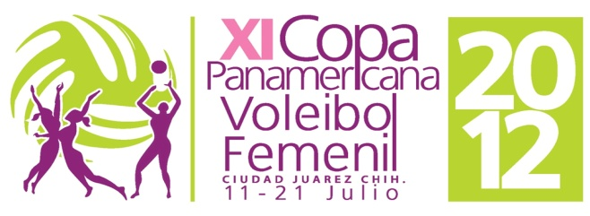

 |  |  |  | TEAM:

 |  |  |  |  |  |  |  |  |  |  | O-2 bis | TEAM REGISTRATION
 |  |  |  | CODE:

SHIRT |  |  |  |  | PERSONAL DATA |  |  | HIGHEST REACH |  |  | CLUB TEAM |  |  | MATCHES PLAYED
 | COMPETITORS |  |  |  |  |  |  |  |  |  |  |  |  | FOR NATIONAL TEAM
 | FAMILY NAME AND FIRST NAME | SHIRT NAME |  |  | BIRTH DATE | WEIGHT | HEIGHT | SPIKE | 2 HAND |  |  |  |  | WORLD | OLYMPIC | OTHERS
 |  |  |  |  | (DD/MM/YYYY) | (Kg) | (m/cm) |  | BLOCK |  |  |  | Country | CHAMP. | GAMES
1
2
3
4
5
6
7
8
9
10
11
12

 | TEAM MANAGER |  | 3 | ASSISTANT COACH |  |  |  |  |  |  |  |  | CHOICE OF UNIFORMS

1 |  |  | 4 | ASSISTANT COACH |  |  |  |  |  |  |  |  | 1

 | Signature |  | 5 | DOCTOR |  |  |  |  |  | ID |  |  | 2

 | HEAD COACH |  | 6 | THERAPIST/TRAINER |  |  |  |  |  |  |  |  | 3

2 |  |  | 7 | JOURNALIST/ STATISTICIAN |  |  |  |  |  |  |  | THIS FORM MUST BE PRESENTED BY THE TEAM TO THE NORCECA DELEGATE DURING THE PRELIMINARY INQUIRY
 | Signature OFFICIALS 7 AND 8 ARE ONLY ACCREDITATED IF NECESSARY PAYMENTS TO THE ORGANIZER HAVE BEEN MADE
 |  |  | 8

