O-2-(BIS)
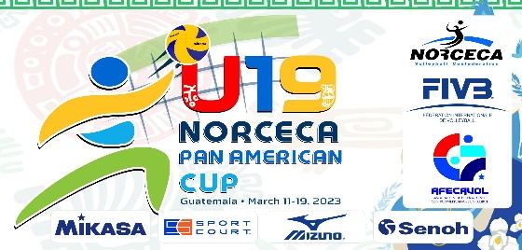

 |  |  |  |  | TEAM:

 |  |  |  |  |  |  |  |  |  |  |  |  | O-2 bis | TEAM REGISTRATION
 |  |  |  |  | CODE:

SHIRT |  |  |  |  |  | POSITION | PERSONAL DATA |  |  | HIGHEST REACH |  |  | CLUB TEAM |  |  | MATCHES PLAYED
 |  | COMPETITORS |  |  |  |  |  |  |  |  |  |  |  |  |  | FOR NATIONAL TEAM
 |  | FAMILY NAME AND FIRST NAME | SHIRT NAME |  |  |  | BIRTH DATE | WEIGHT | HEIGHT | SPIKE | 2 HAND |  |  |  |  | WORLD | OLYMPIC | OTHERS
 |  |  |  |  |  |  | (DD/MM/YYYY) | (Kg) | (m/cm) |  | BLOCK |  |  |  | Country | CHAMP. | GAMES

 |  | TEAM MANAGER |  | 3 | ASSISTANT COACH |  |  |  |  |  |  |  |  |  | CHOICE OF UNIFORMS

1 |  |  |  | 4 | DOCTOR |  |  |  |  |  |  | ID |  |  | 1

 |  | Signature |  | 5 | PHYSIOTHERAPIST |  |  |  |  |  |  | ID |  |  | 2

 |  | HEAD COACH |  | 6 | TRAINER |  |  |  |  |  |  | ID |  |  | 3

SUPPORT STAFF
2 |  |  |  | 7 | JOURNALIST/ STATISTICIAN |  |  |  |  |  |  |  |  | THIS FORM MUST BE PRESENTED BY THE TEAM TO THE NORCECA DELEGATE DURING THE PRELIMINARY INQUIRY
 |  | Signature OFFICIALS 7 AND 8 ARE ONLY ACCREDITATED IF NECESSARY PAYMENTS TO THE ORGANIZER HAVE BEEN MADE
 |  |  |  | 8
SUPPORT STAFF
 |  |  |  | 9

 | OH= OUTSIDE HITTER / MB= MIDDLE BLOCKER / OP= OPPOSITE PLAYER / L= LIBERO / S= SETTER

